Manual


 | Power Units - Manual:

 | 1. First, go to "Run" >> "Run Preferences" >> "Sampling" and select the following options:
 | a. Select "Use same sequence of random numbers
 | b. Initial Seed Value = 999
 | c. Select "Monte Carlo Simulation

 | 2. Secondly, while standing on the cell which you like to test different values of, click on the "Define Decision" button. In the window that comes you can specify which values Crystal Ball will test for you. In the Power Units example, the cell needs to be integers from 2 to 9, which was specified as follows:

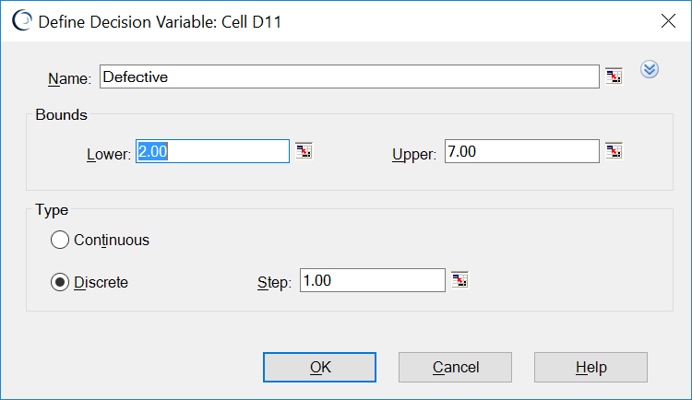

 | 3. Thirdly, after you have defined all decisions in your model (step 2), select "CBTools" >> "Decision Table" and select which forecast to target. In the Power Units example, the "Failed or not" forecast as shown below.

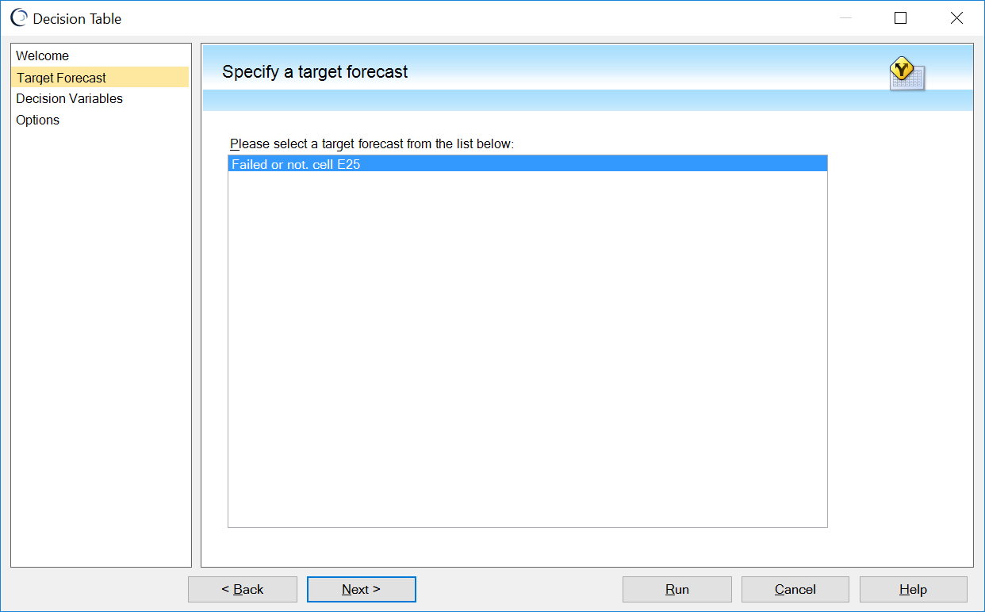

 | 4. Fourthly, select one or two decisions of which you like to test different values. In our Power Unit example, the "number of defective units in the consignment" would be the variable you like to test the values of 2, 3, 4. ..., 9. The figure below shows this step.

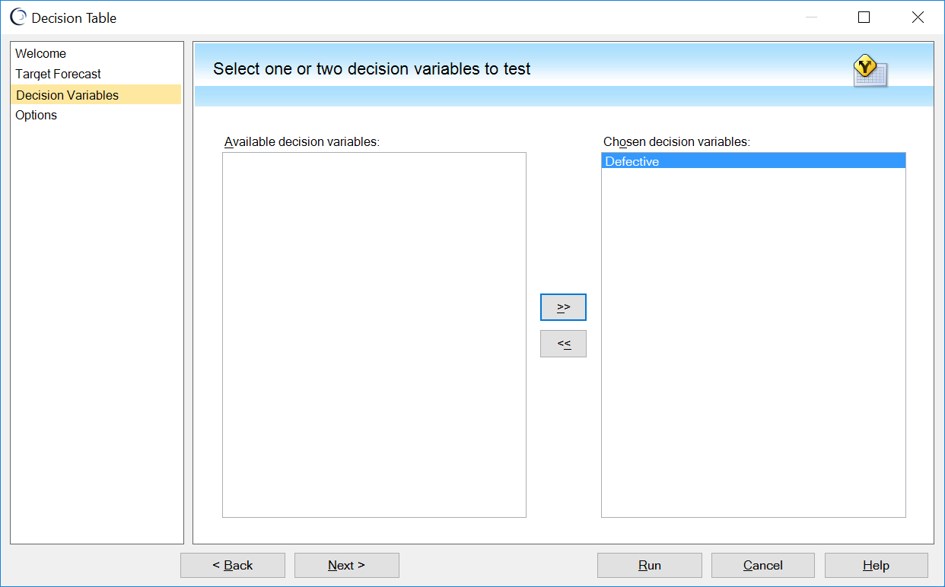

 | 5. Finally, in the last step, one can specify how the Decision Table tool will simulate the different decision options. For the Power Unit example, the following input was used:

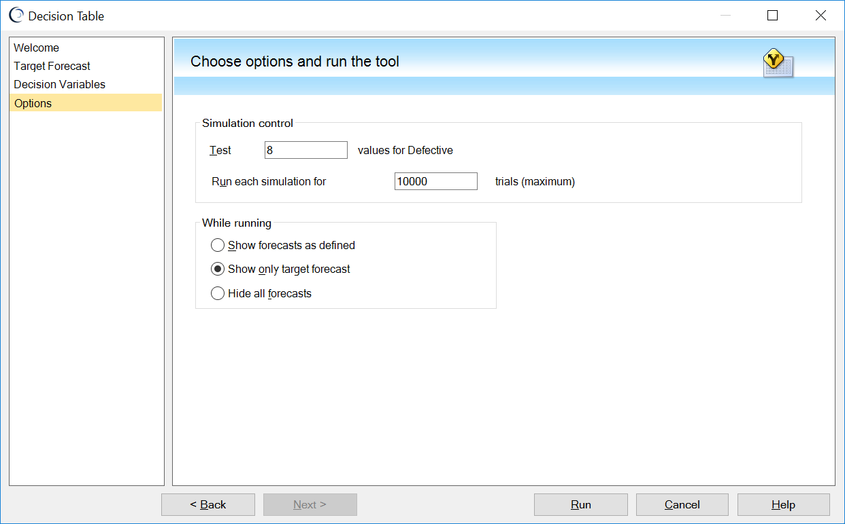

 | After selecting the Start button, Crystal Ball simulates the whole model for 10,000 trials and it does this 8 times, for all 8 values (2, 3, 4, ..,9) in cell "Defective" subsequently. After simulation, one can now easily compare the simulation results for the 8 different values.

Power units
 |  |  | Power units

Problem: Your company produces specialist power units. We deliver these units to the client in batches of ten. The client has a quality control procedure for each consignment, as follows: Three units are tested. If two or more of these samples are defective, the consignment is rejected. If one is defective, another three are tested, and if any of these second set are defective the consignment is also rejected. We want to construct a model that looks at the risk of rejection of a consignment for different numbers of defective power units.

Steps to run this model:
1. Click Run, then Tools and then select DecisionTable
2. Select the forecast "Failed or not"
3. Click "Next"
4. Select the Decision Variable "Defective" and click the >> sign
5. Test = 5, Run each simulation = 10,000 and select "show only target forecast"
6. Click on "Start"
If there are >= 8 defectives in a consignment, the probability of rejection = 1.
Set-up
Number defective in consignment | 7
Consignment size | 10

First sample
First sample of size | 3
Number defective | 1
Fail? 1=Yes, 0 = No | 0

Second sample
Test 2nd sample? 1=Yes, 0 = No | 1
Sample of size | 3 | D | N | M | Hyperg Distr.
Number defective |  | 6 | 3 | 7 | 2 | 2
Fail? 1=Yes, 0 = No | 1

Consignment failed inspection (1 = Yes, 0 = No) |  | 1

We added here that if D = M, then we do not use the Hypergeometric distribution but immediately use the outcome (N).

